Narrative
3 - AR No. # - Waste Compactor

 | Recommendation

 | Compact chip bags prior to disposal and removal. This will lower the number of trash pickups required, reducing associated annual costs by $4,027.

 |  | Assessment Recommendation Savings Summary
 |  | Source |  | Quantity |  | Units |  | Cost Savings
 |  | Administrative Costs |  |  |  | no units |  | $4,691
 |  | Electrical Consumption |  | -978 |  | kWh (site) |  | ($71)
 |  | Electrical Demand |  | -123 |  | kW Months / yr |  | ($593)
 |  | Total |  | -0.3 |  | MMBtu |  | $4,027

 |  | Implementation Cost Summary
 |  | Description |  |  |  | Cost |  | Payback (yrs)
 |  | Before Incentives |  |  |  | $14,500 |  | 3.6
 |  | After Incentives |  |  |  | $14,450 |  | 3.6

 | Facility Background

 | The facility currently disposes of all chip bags that did not meet quality standards. Plant personnel informed analysts that this waste accounts for 5 pickup loads per month. Each load has an associated weight, pickup, and travel cost. The chip bags are mostly air weight, but the dumpster is entirely full for every pickup.

 | Technology Background

 | A compactor can be used to reduce the volume of waste streams. The waste weight will remain the same so there will be no savings from the total amount of waste produced. However, savings will occur because waste volume will be reduced by approximately 80% which will decrease the number of times the dumpster will need to be emptied, therefore resulting in lower pick up fees. Compactors are run very infrequently and are relatively efficient when run, meaning the amount of energy consumed by the compactor will be low. Compactors come in a variety of mounting configurations, including free standing and through-the-wall types. It is at the discretion of facility personnel to select the compactor that will best serve the facility layout since the difference in type does not alter the compactor effectiveness.

 | Proposal

 | Install a waste compactor to compact all chip bags prior to disposal in order to reduce the number of trash pickups. This will reduce the overall volume of garbage produced, reducing associated trash pickups by 80%. By reducing the number of pickups, the plant will save $4,027 annually with an implementation cost of $14,500 for a simple payback of 3.6 years.

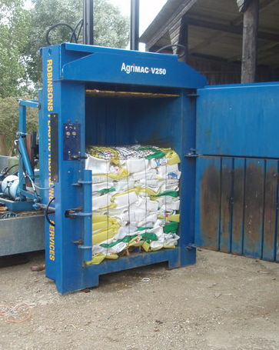

 |  |  |  |  | Waste compactor image courtesy Wiki Commons.

 | Based on |  | Author | Readability Review |  |  | Engineering Review |  | Math Review
 | Unmodified Template |  | Insert Name | Insert Name |  |  | Insert Name |  | Insert Name

