Narrative2
Proposal

We recommend replacing current fiber reinforced plastic with corrugated high density polyethylene insulation on greenhouse walls to reduce heat loss. This will result in a cost savings of $13,257 and a 17.7% reduction in energy use for the greenhouse. There is an implementation cost of $29,063, resulting in a payback of 2.2 years.

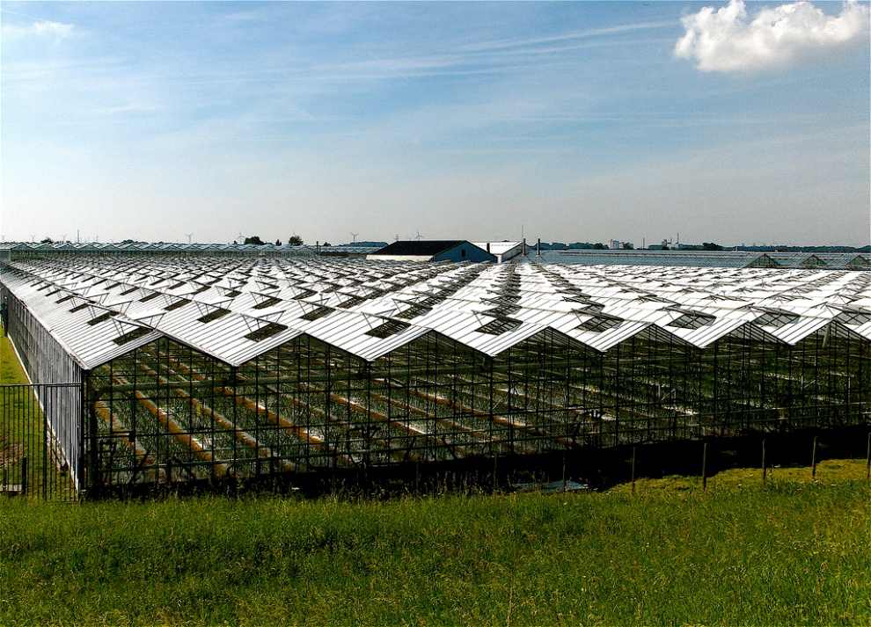

Source: http://www.flickr.com/photos/simeon_barkas/

