Narrative
AR No. # |  |  |  |  |  |  |  |  |  | Revision History
Micro Hydro |  |  |  |  |  |  |  |  |  |  | Template Version | 2010-10-15
 |  |  |  |  |  |  |  |  |  |  | Recommendation Version | 2010-11-01

Recommendation |  |  |  |  |  |  |  |  |  | Information For Narrative
 |  |  |  |  |  |  |  |  |  | Energy Savings |  | Original | Rounded
Install a impulse type micro-hydro by the water storage tank. This will provide an alternative source for 44.2% of the facility’s electrical energy consumption and reduce CO2 emissions associated with electrical generation. |  |  |  |  |  |  |  |  |  |  | Percent Energy Use Reduction | 0.44198181818 | 0.442
 |  |  |  |  |  |  |  |  |  |  | Energy Savings (MMBtu) | 150.84839455 | 151
 |  |  |  |  |  |  |  |  |  |  | Energy Savings (therms) | 1508.4839455 | 1510
 |  |  |  |  |  |  |  |  |  |  | Energy Savings (kWh) | 44198.181818 | 44200
 |  | Assessment Recommendation Summary |  |  |  |  |  |  |  |  | Demand Savings (kW) |  | #NUM!
 |  | Energy |  | Energy | Cost |  | Implementation | Payback |  | Other Savings
 |  | (MMBtu)* |  | (kWh)* | Savings |  | Cost | (Years) |  |  | Productivity |  | #NUM!
 |  | 151 |  | 44,200 | $3,310 |  | $7,790 | 2.4 |  |  | Waste Savings |  | #NUM!
 |  | * 1 MMBtu = 1,000,000 Btu, 1 kWh = 3,413 Btu |  |  |  |  |  |  |  | Economic Results
 |  |  |  |  |  |  |  |  |  |  | Cost Savings | 3314.8636364 | 3310
 |  |  |  |  |  |  |  |  |  |  | Implementation Cost | 7787.7727273 | 7790
Background |  |  |  |  |  |  |  |  |  |  | Payback | 2.3493493493 | 2.35
 |  |  |  |  |  |  |  |  |  | Incentives Summary
Utility companies currently supply the electrical energy for your facility. Electricity provided by utility companies is commonly generated using fossil fuels such as coal, oil, and natural gas. The combustion of these fuels releases a variety of harmful pollutants into the atmosphere; including carbon dioxide (CO2), sulfur dioxide (SO2), and nitrogen dioxide (NO2). These pollutants are the leading cause for acid rain and smog while also representing a significant portion of greenhouse gas emissions which could substantially alter the global environment. Renewable energy sources, on the other hand, are clean, naturally replenished, and will play a key role in generating a reliable energy future. |  |  |  |  |  |  |  |  |  |  | REAP Incentive
 |  |  |  |  |  |  |  |  |  |  | BETC Incentive
 |  |  |  |  |  |  |  |  |  |  | Renewable BETC Incentive
 |  |  |  |  |  |  |  |  |  |  | ETO Incentive
 |  |  |  |  |  |  |  |  |  |  | Net Cost | 7790
 |  |  |  |  |  |  |  |  |  |  | Net Payback | 2.35

 |  |  |  |  |  |  |  |  |  | User Information

Hydropower is one of the most efficient and reliable renewable energy sources available. Unlike the seasonal and daily fluctuations of solar and wind energy, micro-hydro can provide constant year-round energy production with slight capacity peaks in the winter months. Micro-hydro installations typically rely on a pipe to collect water from a stream or river. The water gains energy by flowing downhill through the pipe and is then passed through a turbine connected to a generator. The type of turbine used depends on the flow characteristics available. The most common types of turbines are listed on the following page.

• | Reaction Turbine - This type of turbine is used in most large scale commercial hydro systems. A common turbine is the snail-shaped Francis turbine which is completely immersed in water and relies on the weight of the water falling onto the turbine to spin the generator. This type of turbine works well in situations where a high flow with little head is available.

• | Impulse Turbine - This type of turbine is most commonly used in small scale residential systems. A common turbine is the Pelton wheel which relies on high velocity water hitting U-shaped cups lining the perimeter of the turbine to spin the generator. Since kinetic energy (and thus velocity) is the driving force, this type of turbine works best in situations where a high head is available.

There are two major factors that affect the output capacity of hydro systems.

• | Flow - The flow is the amount of water available to power the turbine. More energy can be produced with higher flows. The size of the pipe supplying the turbine is the main limiting factor in a micro-hydro system.

• | Head - The head is the elevation change available from the source to the turbine. More energy can be produced with a larger head. This is largely limited by the water source location and the slope of the surrounding terrain. A steeper slope will require less piping to obtain the same head, decreasing associated implementation costs.

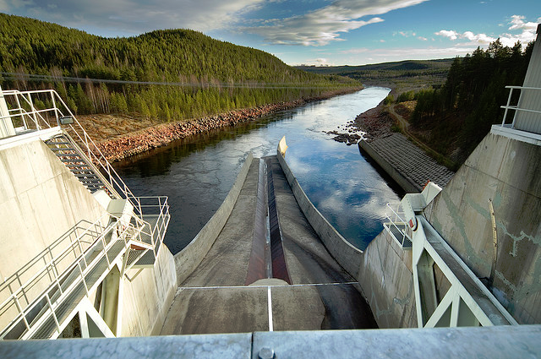

 |  | Source: http://www.flickr.com/photos/vattenfall/3592473352/

Proposal

We recommend installing 1,000 feet of 4 inch PVC pipe upstream of your water tank and using the provided flow to power an impulse type micro-hydro generator. Hydropower will reduce electricity costs and carbon emissions from electrical generation. This recommendation will save 44,200 kWh annually and result in an annual cost savings of $3,310. Take advantage of the included incentive programs for a net payback of 2.4 years after an implementation cost of $7,790.

Notes

Changing the pipe size or length will significantly change the available flow and head. We recommend consulting a specialist to determine the best sized system and turbine for your needs.

There may be local restrictions and/or permits needed to install a micro-hydro system. We did not account for these additional costs in the recommendation. We recommend consulting a specialist before implementation to review any legal restrictions.

The implementation analysis does not include any costs or rate changes associated with net metering that may instituted by your utility company.

Author |  |  | Readability Review |  |  | Engineering Review |  |  | Math Review
Mikhail Jones |  |  | Nathan Keeley |  |  | Nathan Keeley |  |  | Nathan Keeley

