Narrative
AR No. #
Low Pressure Irrigation

Recommendation

Install a variable speed drive (VSD) on the 25 hp submersible pump. This will allow the system to operate at a lower pressure, delivering the same water with less energy than the current method and reduce total pump operating cost by 58.6%.

 |  | Assessment Recommendation Summary
 |  | Energy |  |  | Energy | Cost |  | Implementation | Payback
 |  | (MMBtu)* |  |  | (kWh)* | Savings |  | Cost | (Years)
 |  | 23.7 |  |  | 6,940 | $484 |  | $5,230 | 10.8
 |  | * 1 MMBtu = 1,000,000 Btu, 1 kWh = 3,413 Btu

Background

The 25 hp irrigation system features a single 30 foot deep submersible pump operating to serve one of two similarly sized pivots at a given time, resulting in very little demand variation. The system utilizes low pressure drop down nozzles to deliver water to the field yet the pump runs at relatively high pressures. This is not an efficient method to deliver water to a field. This pump is on its own dedicated electrical service. Variable speed drives (VSD), are able to change how a pump operates based on an adjustable parameter such as pressure, resulting in significant energy and demand savings.

The VSD will also soft start the motor by slowly ramping it up to full speed instead of doing it instantaneously. Variable speed drives and low pressure irrigation have many benefits besides reduced energy costs:

• | Reduced Maintenance Costs - A soft start will also reduce motor wear and damage caused by hard starting as well as maintenance costs associated with water hammer, sprinkler head damage, and flexible coupling damage extending the expected life of the system.

• | Increased Yields - Low pressure drop down nozzles result in a more uniform distribution of water on the field. This reduces under or over irrigated sections, increasing yields.

• | Water Conservation - Low pressure drop down nozzles reduce wind drift and evaporation losses usually associated with conventional methods of irrigation. This increases the amount of water delivered to the fields, reducing irrigation times.

• | Motor Protection - VSD's help reduce the effects of voltage swings in the power distribution system due to other systems kicking on or off. VSD's can maintain full output voltage at full load, with voltage sags as low as 15 percent helping to protect the motor.

Proposal

We recommend installing a Variable Speed Drive controlled by a pressure sensor on the 25 hp submersible river pump motor. This will allow system operation at a lower pressure while maintaining the current flow rate. The VSD will also allow soft starting of the pump resulting in reduced lower maintenance costs (not included in our estimates). If the previously mentioned actions are taken, they will save 6,940 kWh annually and result in an annual cost savings of $484. Take advantage of the included incentive programs for a net payback of 10.8 years with an implementation cost of $5,230.

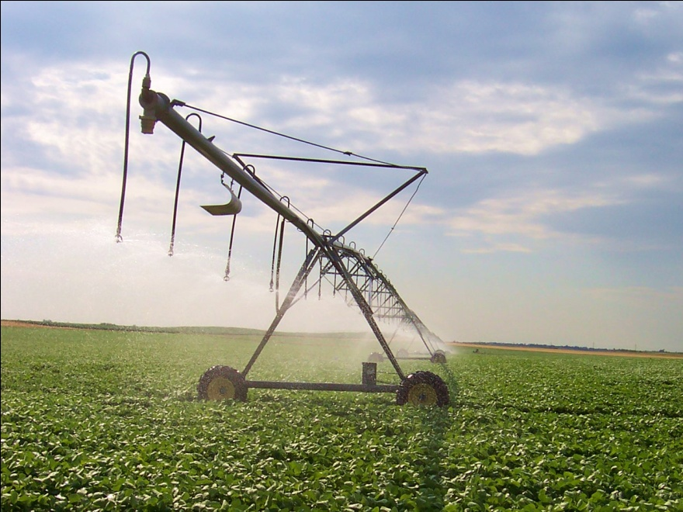

 |  |  | Source: http://www.flickr.com/photos/29385617@N00/

Notes

Based on annual pump electrical draw, delivered flow, and a calculated average pump head; the pump is delivering needed water at a 49.9% average system efficiency. According to the Hydraulics Institute Standard ANSI/HI-1.3, the modeled average flow and head delivered to the irrigation system can be developed up to an optimum efficiency of 71.5%. This low efficiency could be caused by the pump operating off of its Best Efficiency Point (BEP) or by pump degradation. We recommend having a pump specialist inspect the pump to determine if repair or replacement is needed. Doing so could reduce associated energy consumption by 3,580 kWh resulting in an additional $250 annual cost savings. These savings are not included in this recommendation.

VSD savings associated with varying end gun use are not included in this calculation, which could yield increased savings.

The end gun nozzle size may have to be replaced from the current 0.55" to a 0.7" diameter in order to provide the desired flow and range. This cost is negligible and therefore not included in the calculation.

Our analysis assumes pump efficiency will not change significantly when its operation moves to a new point on its performance curve with VSD control and reduced system pressure.

An alternative solution is to install a pump specifically designed to operate at the current flow conditions. This would be beneficial as both savings mentioned above would be obtained for a total annual savings of $734 and 10,520 kWh, however, we did not recommend this because the lack of adjustability and fine tuning available if the system end use ever changes. This system would however not be as able to adjust to varying end uses such as elevation change or end gun operation.

Author |  |  |  | Readability Review |  |  | Engineering Review |  |  | Math Review
Mikhail Jones |  |  |  | Carl Moen |  |  | Joe Piacenza |  |  | Joe Piacenza

