(1)
AR No. # - Lighting Analysis
Lighting Analysis Template Apr. 2014a, style 2013b
General Data
Recommendation Description |  | Replace lights
Area Description |  | Warehouse
Recommended Foot-Candles |  | 50 | FC
Incremental Energy Cost | (CIE) | $0.10 | /kWh
Incremental Demand Cost | (CID) | $7.00 | /kW-mo
Incremental Implementation |  | No

Description |  | Existing | Proposed | Savings | Units
Fixtures
Fixture Code | GP-T12-8FT-4L-75W |  | MS-T5HO-4FT-4L-51W
Description |  | 8 ft. General Purpose T12HO | Motion Sensor T5HO
Quantity | (nF) | 20 | 20
Annual Operating Hours | (tOp) | 4,000 | 4,000 | 0 | hours
Output Factor | (OF) | 0.90 | 1.00 | -0.10
Luminous Efficiency | (ηl) | 0.75 | 0.80 | -0.05
Lamps
Lamps per Fixture | (nFL) | 4 | 4
Quantity | (nTL)(Eq. 1) | 80 | 80
Life | (tLL) | 12,000 | 36,000 | 24,000 | hours
Lamp Cost | (CL) | $1.33 | $0.95 | $0.38
Watts per Lamp | (WL) | 75 | 51 | 24 | watts
Lumens | (l) | 6,110 | 4,700 | 1,410 | Lm
Replacement Fraction | (RFL)(Eq. 2) | 0.33 | 0.11 | 0.22
Annual Lamp Replacement Cost | (CLR)(Eq. 3) | $35.47 | $8.44 | $27.02
Annual Maintenance Labor Cost | (CLM)(Eq. 4) | $133.33 | $44.44 | $88.89
Ballast/Driver (Driver For LED Fixtures)
Ballasts per Fixture | (nFB) | 2 | 1 | 1
Quantity | (nTB)(Eq. 5) | 40 | 20 | 20
Life | (tBL) | 75,000 | 72,000 | 3,000 | hours
Ballast Cost | (CB) | $64.20 | $117.25 | -$53.05
Ballast Factor |  | 1.00 | 1.00
Input Watts | (WB) | 330 | 204 | 126 | watts
Replacement Fraction | (RFB)(Eq. 6) | 0.05 | 0.06 | 0.00
Annual Ballast Replacement Cost | (CBR)(Eq. 7) | $136.96 | $130.28 | $6.68
Annual Maintenance Labor Cost | (CBM)(Eq. 8) | $90.67 | $47.22 | $43.44
Power and Energy
Lighting Power | (PL)(Eq. 9) | 6.6 | 4.1 | 2.5 | kW
Energy Use | (E)(Eq. 10) | 26,400 | 16,320 | 10,080 | kWh

Description |  | Existing | Proposed | Savings | Units
Light Level Check
Total Lumens | (lT)(Eq. 11) | 439.9 | 376.0 | 63.9 | kLm
Foot-Candles | (FC)(Eq. 12) | 50.0 | 45.6 | 4.4 | FC | <-- Check light levels! Try to find expected or propsed fc off of fixture specification sheets online or wherever you can find them.
Lighting Efficacy | (LE)(Eq. 13) | 66.7 | 92.2 | 25.5 | Lm/W
Operating Costs
Demand Cost | (CD)(Eq. 14) | $554 | $343 | $212
Energy Cost | (CE)(Eq. 15) | $2,508 | $1,550 | $958
Maintenance Material Cost | (CMM)(Eq. 16) | $172 | $139 | $34
Maintenance Labor Cost | (CML)(Eq. 17) | $224 | $92 | $132
Total Operating Cost | (CTOp)(Eq. 18) | $3,459 | $2,124 | $1,335

Recommendation Summary
Fixture Cost (with Ballast) | (CF) |  | $256 | /fixture
Sensor Cost | (CS) |  |  | /unit
Number of Sensors | (nS) |  |  | units
Materials Cost | (CM)(Eq. 19) |  | $5,201 |  |  | <-- Add Formula in Formula sheet to match how Materials Cost is actually being calculated.
Labor Cost | (CLB)(Eq. 20) |  | $2,100 |  |  | <-- Add Formula in Formula sheet to match how Labor Cost is actually being calculated.
Total Implementation Cost | (CI)(Eq. 21) |  | $7,301
Cost Savings | (S)(Eq. 22) |  | $1,335 | /year
Simple Payback | (tPB)(Eq. 23) |  | 5.5 | years

Picture

Pictures of Room
AND/OR
Room Highlighted on Facility Map

Notes

OF & Luminous Efficiency Charts
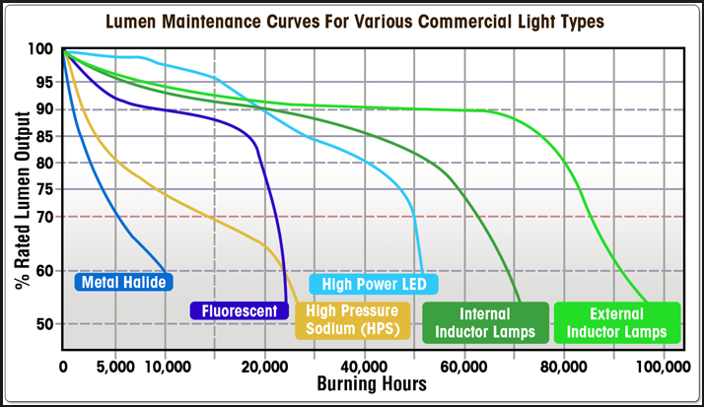
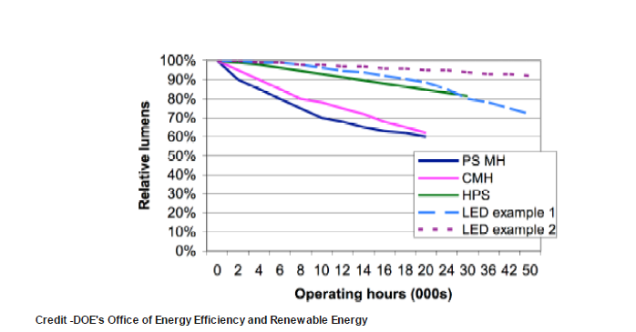
Cree Lighting Research
 | Typical Efficacy (lm/W) | Usable Optical Light (lm/W) | Luminous Efficiency
Incandescent | 17 | 10 | 59%
Halogen | 20 | 12 | 60%
HPL | 25 | 17 | 68%
T12 Fluourescent | 60 | 45 | 75%
Compact Fluorescent | 62 | 31 | 50%
Metal Halide | 70 | 40 | 57%
T8 Fluorescent | 74 | 58 | 78%
HPS | 91 | 50 | 55%
LPS | 120 | 65 | 54%
T5 Fluorescent | 100 | 80 | 80%
LED | 105 | 85 | 81%
Record LED Research | 150 | 120 | 80%

Output Factor Chart:

