Narrative
AR No. #
Isolate Unused Ends

Recommendation

Isolate and install insulation around unused ends in the greenhouse to reduce heat loss by 85.8% while reducing associated energy usage by 20.5%.

 | Assessment Recommendation Summary
 | Energy | Energy | Cost |  | Implementation | Payback
 | (MMBtu)* | (therm)* | Savings |  | Cost | (Years)
 | 2,046.7 | 20,467.3 | $20,467 |  | $17,438 | 0.9
 | * 1 MMBtu = 1,000,000 Btu, 1 therm = 100,000 Btu

Background

Un-insulated or poorly insulated walls are a significant source of energy loss in any greenhouse. Temperature differentials between the walls and surroundings act as a driving force for conductive heat transfer between these bodies. The rate of this conductive heat transfer is directly proportional to the magnitude of the temperature differential. This differential creates a steady energy stream exiting the greenhouse, requiring the boiler to consume more energy to replenish the lost heat. Currently there are unused ends in the greenhouse that are not being used for production. These ends are still being heated and causing an additional heat loss and load on the boiler. By isolating these ends with a wall of insulation, heat loss will be dramatically decreased thus saving energy and increasing available heat, improving the efficiency of the system.

Proposal

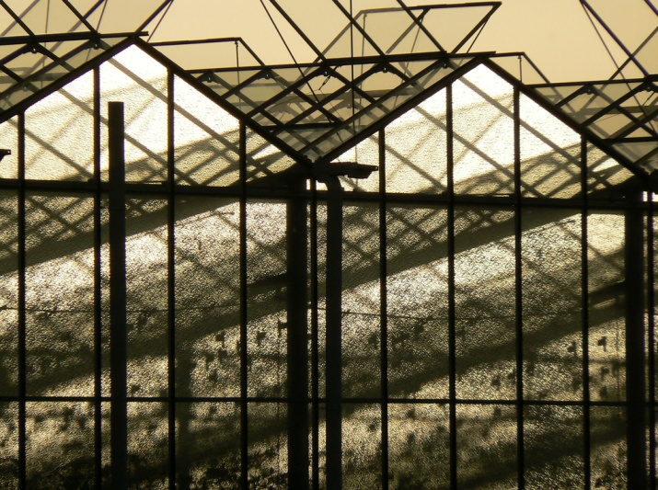
We recommend installing corrugated high density polyethylene insulation around unused greenhouse ends to reduce heat loss. This will result in a cost savings of $20,467 and a 20.5% reduction in energy use for the greenhouse. There is an implementation cost of $17,438, resulting in a payback of 0.9 years.

 |  |  |  | Source: http://www.flickr.com/photos/e3000/

