Narrative2
Proposal

We recommend you have a boiler specialist tune your boiler to 4.0% exhaust O2 and clean your boiler water side heat exchanger surfaces to increase combustion efficiency . We suggest this be done immediately and then once every year after. We estimate a boiler tune will cost $500 per boiler. Annual savings after deducting the annual cost to tune your boiler will be $2,534, paying for the initial implementation cost of the first tuning in 0.4 years.

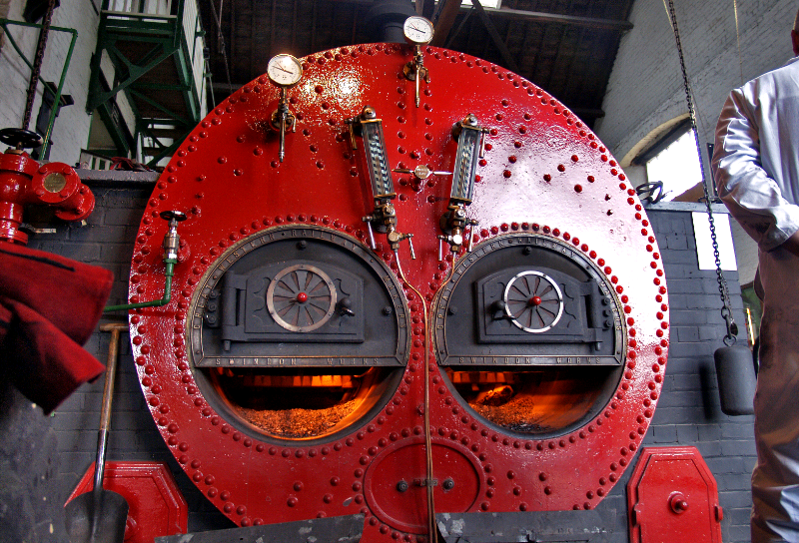

 | Source: http://www.flickr.com/photos/anguskirk/

